Indices

 | Iraq Stock Exchange
 | Bulletin No (50)
 | ISX Trading Indices of Tuesday 17/3/2026

 | Traded Volume and OTC |  | 464,699,644 |  | Traded Value and OTC |  | 436,755,502 |  | Traders | 756

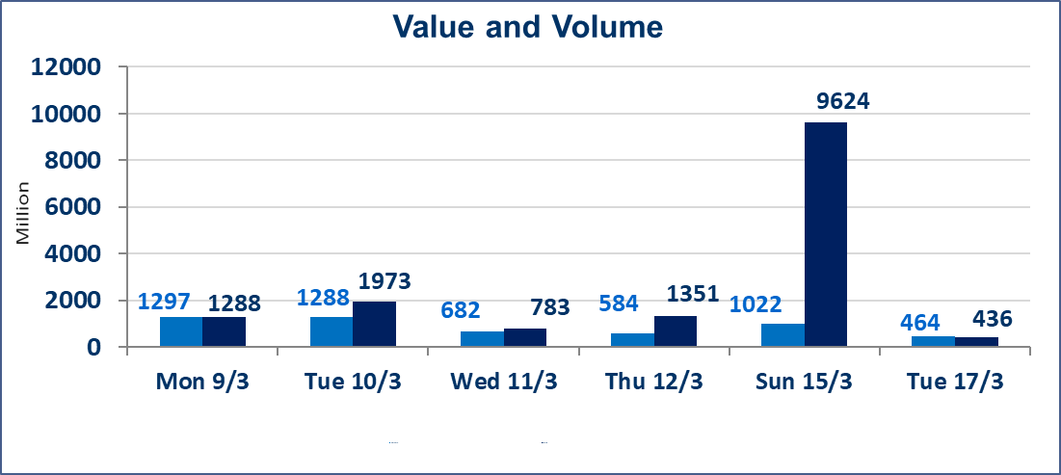
 | ISX Index 60 |  |  | 984.50 | ISX Index 15 |  |  | 1234.88
 | Previous ISX Index60 |  |  | 988.86 | Previous ISX Index15 |  |  | 1236.63
 | Change % |  |  | -0.44 | Change % |  |  | -0.14
 | Change |  |  | -4.36 | Change |  |  | -1.75

 | Listed Companies | 104 | OTC | 14 | Non Traded listed | 66 | OTC | 12
 | Traded Listed Companies | 55 | OTC | 1 | Higher Companies |  |  | 11
 | GAM Companies |  |  | 3 | Lower Companies |  |  | 18
 | Suspended Companies |  |  | 10 | GAM OTC Companies |  |  | 1
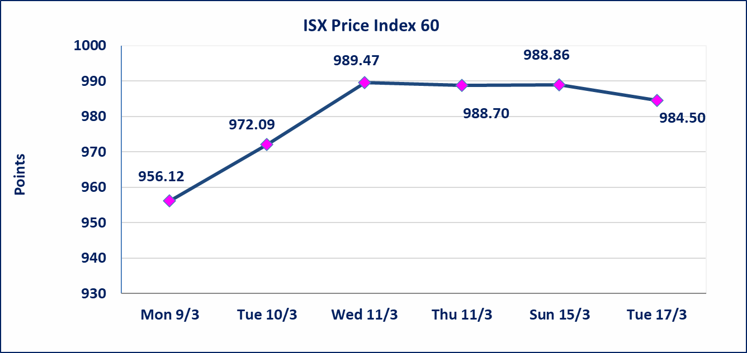
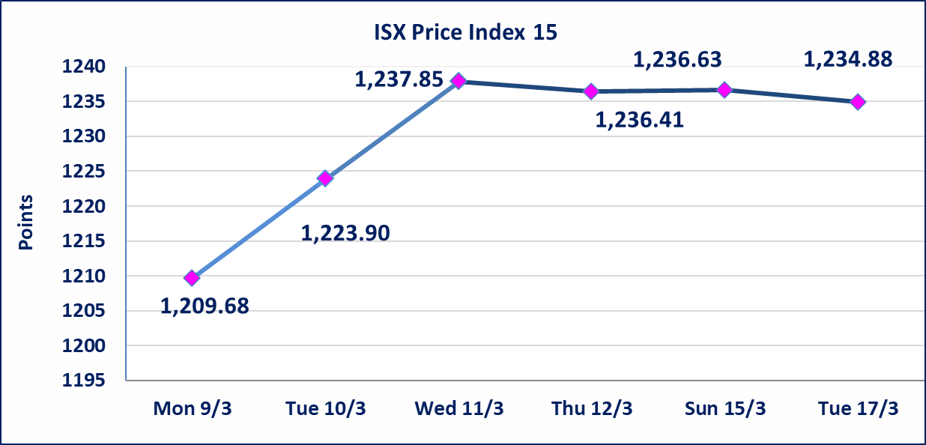

Al-Alwiya P.O . 3607 Mobile: 07711211522 - 07270094594 - 07834000034 E-mail: info-isx@isx-iq.net Web site:www.isx-iq.net

Top 5
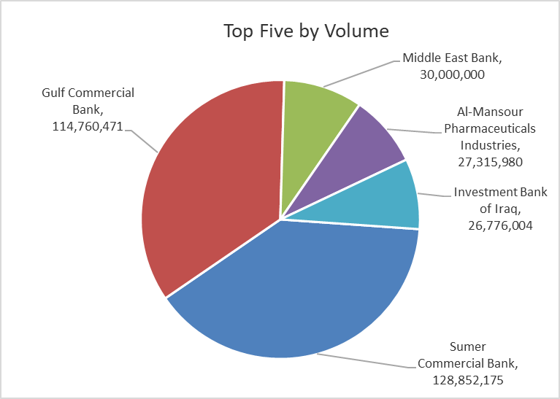
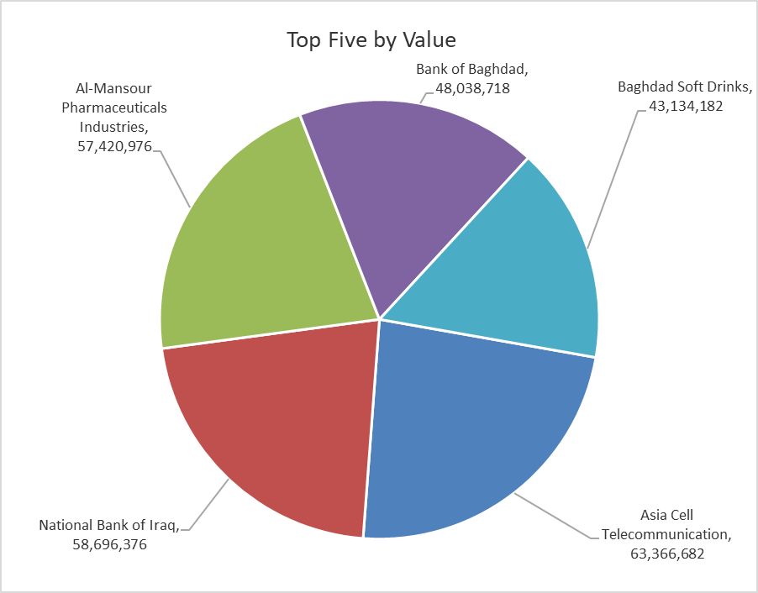

ISX top ganing and losing companies
Tuesday 17/3/2026
 | Gainers |  |  |  | Losers
 | Company Name | Closing Price | Change (%) | Traded Volume | Company Name | Closing Price | Change (%) | Traded Volume
 | Tourist Village of Mosul dam | 13.650 | 5.00 | 147,344 | Mosul Bank For Investment | 0.130 | -7.14 | 1,583,086
 | Al-Hamraa for Insurance | 4.850 | 4.98 | 10,000 | Iraqi Carton Manufactories | 2.760 | -4.83 | 344,503
 | Dar Al-Salam for Insurance | 0.780 | 4.00 | 596,000 | General Transportation | 1.870 | -4.59 | 397,882
 | Metallic Industries and Bicycles | 2.050 | 3.02 | 12,414 | Al-Ahlyia agricultural production | 2.250 | -3.43 | 39,067
 | Gulf Commercial Bank | 0.350 | 2.94 | 114,760,471 | Fallujah for construction Materials | 2.870 | -3.37 | 1,183,720
 | The most active companies in term of traded volume and value

 | Traded Volume |  |  |  | Traded Value
 | Company Name | Closing Price | Change (%) | Traded Volume | Company Name | Closing Price | Change (%) | Traded Value
 | Sumer Commercial Bank | 0.160 | 0.00 | 128,852,175 | Asia Cell Telecommunication | 14.850 | 0.20 | 63,366,682
 | Gulf Commercial Bank | 0.350 | 2.94 | 114,760,471 | National Bank of Iraq | 4.800 | 0.00 | 58,696,376
 | Middle East Bank | 0.060 | 0.00 | 30,000,000 | Al-Mansour Pharmaceuticals Industries | 2.110 | 0.00 | 57,420,976
 | Al-Mansour Pharmaceuticals Industries | 2.110 | 0.00 | 27,315,980 | Bank of Baghdad | 3.270 | -1.51 | 48,038,718
 | Investment Bank of Iraq | 0.220 | 0.00 | 26,776,004 | Baghdad Soft Drinks | 5.780 | -0.34 | 43,134,182

Non Iraqi

Iraq Stock Exchange
Non Iraqis' Bulletin Tuesday March 17 2026
Regular Market

Non Iraqi Trading of Regular Market (Sell)
Company Names | Code | No.of trades | Traded Shares | Trading Volume
Banks Sector
Gulf Commercial Bank | BGUC | 3 | 1,591,036 | 540,952
Kurdistan International Bank | BKUI | 4 | 3,008,400 | 3,309,240
Total Bank sector |  | 7 | 4,599,436 | 3,850,192
Grand Total |  | 7 | 4,599,436 | 3,850,192

Not Trading Bonds

Iraq Stock Exchange
Tuesday 17/3/2026
Not Trading Bonds Bulletin
Bond type | Publish type | Code | last trading price | immortilize date
Banaa Bonds /Million ID | Second | CB20 | 964,981 | 19/12/2025
Eamar Bonds /Million ID | First | CB30 | 1,001,095 | ــــــــــــــــ
Eamar Bonds /Million ID | Second | CB40 | ــــــــــــــــ | ــــــــــــــــ
Eamar Bonds /500 Thousand ID | Third | CB45 | ــــــــــــــــ | ــــــــــــــــ
Eamar Bonds /Million ID | Third | CB50 | ــــــــــــــــ | ــــــــــــــــ
Injaz Bonds /500 Thousand ID | First | CB55 | ــــــــــــــــ | ــــــــــــــــ
Injaz Bonds /Million ID | First | CB60 | ــــــــــــــــ | ــــــــــــــــ
Injaz Bonds /500 Thousand ID | Second | CB65 | 503,793 | ــــــــــــــــ
Injaz Bonds /Million ID | Second | CB70 | 1,026,082 | ــــــــــــــــ
Injaz Bonds /500 Thousand ID | Third | CB75 | ــــــــــــــــ | ــــــــــــــــ
Injaz Bonds /Million ID | Third | CB80 | 978,182 | ــــــــــــــــ
National Bonds/Million ID | First | CB90 | ــــــــــــــــ | ــــــــــــــــ
National Bonds/500 Thousand ID | Second | CB95 | ــــــــــــــــ | ــــــــــــــــ
National Bonds/Million ID | Second | CB100 | ــــــــــــــــ | ــــــــــــــــ

